White mockup sample order
 |  |  |  |  |  |  |  | Prepared by | Reviewed by | Approved by
 |  |  |  |  |  |  |  | Đài Loan | Minh Tài | Thane Taithongchai

 |  |  |  | CUSTOMER'S REQUIREMENT |  |  |  |  |  | CR #: | Spv Uni 127.00 | Revise material Hologram ==> None Metalize, None Printing
 |  |  |  |  |  |  |  |  |  | Req By: | Trang Lê
 |  |  |  |  |  |  |  |  |  | Date: | 29-Aug-23

Customer Name : |  | Unilever |  |  |  | Type of Product : |  | Folding carton | Storage condition:
Project Name : |  | SKY 100G |  |  |  | Cus Packing Method: |  | Auto | Spec. attached:
Product Name : |  | SKY 100G - White mockup sample |  |  |  | Packaging Application : |  | Oral care | Quality Spec Ref: |  | Yes
Product Code: |  |  |  |  |  | Cus Approval Level: |  | Level 1 | Safety Req:
Product Group: |  | Regular |  |  |  | Level 1 | Cus indicated spec, must be send sample for cus approval for any changing |  | Special Req: |  | Yes

I. SPECIFICATION
1. STRUCTURE
Component | Length | Width | High | Type |  | Metalize / Non Metalize | Folding & Gluing | Quantity/copy | Remarks
 | (mm) | (mm) | (mm) | TOP | BOTTOM
Box | 48 | 37 | 170 | Seal End | Seal End | None | Yes

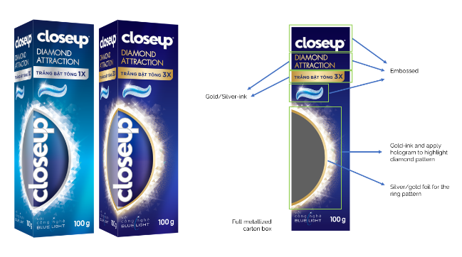
2. MATERIALS
Component | Paper |  |  | Film | Ink |  |  | Varnish |  | Remarks
 | (1) | (2) | (3) | Metalize film | No. of Color | CMYK | Special ink | (1) | (2)
Box | Ivory 300 |  |  | None

3. SPECIAL PROPERTY |  | Light fastness | Rubtest | ECT | BCT | Scratching | Glossness | Slide Angle | PRSL | FSC | Others
 |  | Level 5 |  |  |  |  |  |  |  | FSC

3. FINISHING
Component | Embossing | Hot stamping | Window | Others | Remarks
Box | Emboss 2D

4. ACCESSORY
No. | Description |  |  |  |  |  | Q.ty/ copy | Remark
1 | PET 0.2mm ( Size window 80x30mm) |  |  |  |  |  | 1
2
3
4
5. BINDING
apply to book and Crayola only

6. PACKING REQUIREMENT
Outer Carton | Packing | Pcs/carton | Bundle/carton | Loading | Stretch wrap |  |  |  | Wrapping

7. SPECIAL REQUIREMENT
 | Description |  |  |  |  |  | Remark
Sustainable:
Recyle:
FSC/ PEFC: | FSC
BRC:
Direct Food:
Other:

8. SAMPLE REQUEST (apply to Packaging only)

Sample |  | Quantity | Req Date | Address sending sample |  | Remarks
Oris Proof |  |  |  |  |  | PROOF REQUEST |  | Yes | Proofing |  | Offline
Mock up |  |  |  |  |  | Case 1 | Proof cost was allocated on pricing
Standard book |  | 8
Sample |  |  |  |  |  |  | * Case 1: Proof cost was allocated on pricing **Case 2: Charged - *** Case 3: Free of charge
Other

II. ESTIMATING REQUEST OF BOX PRODUCTS

 |  | The case of quotation request: |  |  |  | Case 2
 |  | Orders which are not urgent and under forecast which can use import cut-to-size materials. *** In case the quantity requested does not meet MOQ of import materials, the sale-price will be estimated with local materials ***

 |  | Type of Product: |  |  | Regular
 |  | Quantity requested: |  |  | 800
 |  | Annual quantity/Total quantity project |  |  |  | For regular products

 |  | * In case there is any special material/accessory request, please pass the sample/picture/description
 |  | to Purchasing for searching the price.

 |  | Ink Consumption:
 |  | *Please note the number of MS which is used to convert ink consumptions or advised by INN

 |  | Del Term: |  |  | Del Tol: |  |  | Trans Owner:

 |  | Delivery Address: |  | Củ Chi
 |  | *Please note: EXW (loading fee at SPV)

 |  | Payment term: |  | days ( from B/L date)
 |  | Other requests:

 |  | Transportation sample fee : |  | Fedex courier zone |  | qty | dummy copies/title
 |  |  |  | Fedex courier zone |  | qty | advance copies/title

 |  | Quotation expected date
 |  | Delivery estimated date
 |  | Requested price validity

 |  | Remark:
 | 1. | Please attached this request together with the layout & flowchart of INN
 | 2. | Make sure that the names of customer and product are always the same in all documents/emails related
 | 3. | The estimation will not be proceeded unless the lacking information are clarified and confirmed in written
 |  | by Head of Sales & Marketing department
 | 4. | Requests for quotation revise: please note the latest quotation number and note the issues/items
 |  | need to be revised
 | 5. | Quotation update of the products manufactured: please note the MS number (in ERP software)
 |  | or attach the MS with the information requested above
 | 6. | For the Forecast/stock paper utilization, please note the FC/PO number for checking the material prices.

PICTURE ATTACHED

